Filter
Country name starts with letter "F"
The Data of Quarter 3
Sort as per conditions and Copy paste the results, by adding a new sheet in this file. Plus Paste Screenshots of Text and Date filters (wherever necessary)
1. Filter all the Country name starts with letter "F"
2. Filter the data in Quarter 3
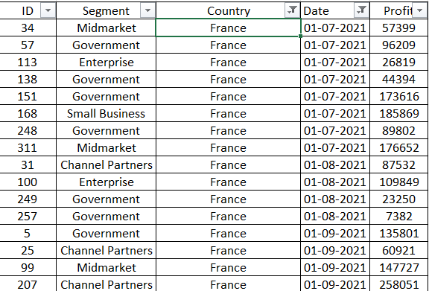
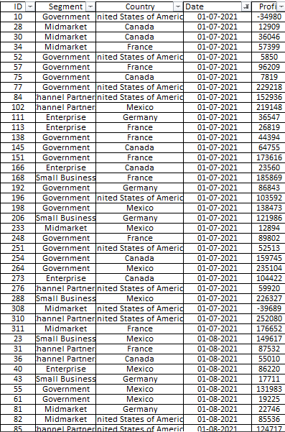
ID | Segment | Country | Date | Profit
10 | Government | United States of America | 2021-07-01 | -34980
28 | Midmarket | Canada | 2021-07-01 | 12909
30 | Midmarket | Canada | 2021-07-01 | 36046
34 | Midmarket | France | 2021-07-01 | 57399
52 | Government | United States of America | 2021-07-01 | 5850
57 | Government | France | 2021-07-01 | 96209
75 | Government | Canada | 2021-07-01 | 7819
77 | Government | United States of America | 2021-07-01 | 229218
84 | Channel Partners | United States of America | 2021-07-01 | 152936
102 | Channel Partners | Mexico | 2021-07-01 | 219148
111 | Enterprise | Germany | 2021-07-01 | 36547
113 | Enterprise | France | 2021-07-01 | 26819
138 | Government | France | 2021-07-01 | 44394
145 | Government | Canada | 2021-07-01 | 64755
151 | Government | France | 2021-07-01 | 173616
166 | Enterprise | Canada | 2021-07-01 | 23560
168 | Small Business | France | 2021-07-01 | 185869
192 | Government | Germany | 2021-07-01 | 86843
196 | Government | United States of America | 2021-07-01 | 103592
198 | Government | Mexico | 2021-07-01 | 138473
206 | Small Business | Germany | 2021-07-01 | 121986
233 | Midmarket | Mexico | 2021-07-01 | 12894
248 | Government | France | 2021-07-01 | 89802
251 | Government | United States of America | 2021-07-01 | 52513
254 | Government | Canada | 2021-07-01 | 159745
264 | Government | Mexico | 2021-07-01 | 235104
273 | Enterprise | Canada | 2021-07-01 | 104422
276 | Channel Partners | United States of America | 2021-07-01 | 59920
288 | Small Business | Mexico | 2021-07-01 | 226327
308 | Midmarket | United States of America | 2021-07-01 | -39689
310 | Channel Partners | United States of America | 2021-07-01 | 252080
311 | Midmarket | France | 2021-07-01 | 176652
23 | Small Business | Mexico | 2021-08-01 | 149617
31 | Channel Partners | France | 2021-08-01 | 87532
36 | Channel Partners | Canada | 2021-08-01 | 55010
40 | Enterprise | Mexico | 2021-08-01 | 86220
43 | Small Business | Germany | 2021-08-01 | 17711
55 | Government | Mexico | 2021-08-01 | 131983
61 | Government | Mexico | 2021-08-01 | 19225
81 | Midmarket | Germany | 2021-08-01 | 22746
82 | Midmarket | United States of America | 2021-08-01 | 85536
85 | Channel Partners | United States of America | 2021-08-01 | 124717
87 | Enterprise | Canada | 2021-08-01 | 99343
100 | Enterprise | France | 2021-08-01 | 109849
118 | Small Business | Germany | 2021-08-01 | 102572
119 | Midmarket | Canada | 2021-08-01 | 229197
120 | Enterprise | Germany | 2021-08-01 | 19002
142 | Government | Canada | 2021-08-01 | 217962
148 | Government | Mexico | 2021-08-01 | 191733
187 | Government | United States of America | 2021-08-01 | 67090
200 | Government | United States of America | 2021-08-01 | 10877
201 | Midmarket | Mexico | 2021-08-01 | 155980
202 | Enterprise | Germany | 2021-08-01 | 23010
216 | Small Business | United States of America | 2021-08-01 | 110965
223 | Midmarket | Mexico | 2021-08-01 | 78549
249 | Government | France | 2021-08-01 | 23250
257 | Government | France | 2021-08-01 | 7382
282 | Small Business | Canada | 2021-08-01 | 216458
302 | Enterprise | Mexico | 2021-08-01 | 75634
313 | Enterprise | Germany | 2021-08-01 | 7269
5 | Government | France | 2021-09-01 | 135801
25 | Channel Partners | France | 2021-09-01 | 60921
33 | Channel Partners | Mexico | 2021-09-01 | 242254
76 | Government | United States of America | 2021-09-01 | 193691
99 | Midmarket | France | 2021-09-01 | 147727
106 | Midmarket | Mexico | 2021-09-01 | 213879
115 | Enterprise | Germany | 2021-09-01 | 220591
121 | Government | Mexico | 2021-09-01 | 209590
132 | Government | United States of America | 2021-09-01 | 27327
139 | Government | Mexico | 2021-09-01 | 217075
150 | Government | United States of America | 2021-09-01 | 242971
188 | Government | United States of America | 2021-09-01 | 13179
207 | Channel Partners | France | 2021-09-01 | 258051
211 | Small Business | Germany | 2021-09-01 | 160752
232 | Channel Partners | Mexico | 2021-09-01 | 208038
239 | Small Business | Canada | 2021-09-01 | 256402
247 | Government | United States of America | 2021-09-01 | 261354
263 | Government | Germany | 2021-09-01 | 200584
265 | Government | Canada | 2021-09-01 | 55991
291 | Small Business | United States of America | 2021-09-01 | 12156
298 | Midmarket | United States of America | 2021-09-01 | 98246
300 | Channel Partners | United States of America | 2021-09-01 | 74093

